Spiky Profile Generator
Spiky Profile: Learner 1

 | Insert the minimum training specification and learner's results
 | from their pre-training assessments in the correct boxes below.
 | For an example, click on the tab in the bottom left hand corner
 | of the sheet as shown below.
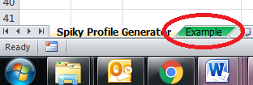

 | Learning | Reading | Writing | Oral Comm. | Numeracy
Training Specification: | 0 | 0 | 0 | 0 | 0

 | Learning | Reading | Writing | Oral Comm. | Numeracy
Exit level: Learner 1: | 0 | 0 | 0 | 0 | 0

 | Once you have generated the spiky profiles, right click on the
 | white space of the graph and select "copy." Open up a new
 | word document and "paste" the graph into the word document.

Example
EXAMPLE ONLY

 |  |  |  |  |  | Right click in the white space to copy and paste your graph.

 | Remember to use the Spiky Profile Generator when creating
 | your Spiky Profiles.
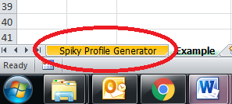

 | Learning | Reading | Writing | Oral Comm. | Numeracy
Training Specification: | 1 | 3 | 4 | 4 | 3
EXAMPLE ONLY

 | Learning | Reading | Writing | Oral Comm. | Numeracy
Exit level: Learner 1: | 2 | 2 | 5 | 4 | 3

 | Learning | Reading | Writing | Oral Comm. | Numeracy
Exit level: Learner 2: | 1 | 2 | 3 | 4 | 4

